ISS reports summary
Cumulative cases w/ symptom onset or diagnosis/swab date and cumulative reported cases. Source: ISS.
 | cumulative incidence of cases w/ symptom onset date | cumulative incidence of cases w/ diagnosis/swab date | cumulative reported cases
2020-03-09 | 4555 | 7812 | 8342
2020-03-10
2020-03-11
2020-03-12 | 8331 | 13323 | 13882
2020-03-13
2020-03-14
2020-03-15
2020-03-16 | 13601 | 24346 | 25028
2020-03-17 | 16181 | 27224 | 28293
2020-03-18 | 17389 | 30722 | 31772
2020-03-19 | 18966 | 34927 | 35731
2020-03-20 | 21157 | 39981 | 42220
2020-03-21 | 22993 | 46584 | 48452
2020-03-22 | 28330 | 50246 | 52796
2020-03-23 | 29603 | 55059 | 57989
2020-03-24 | 31959 | 59203 | 62844
2020-03-25 | 34371 | 64130 | 67814
2020-03-26 | 37403 | 70418 | 73780
2020-03-27 | 44204 | 76714 | 79968
2020-03-28 | 46704 | 82510 | 85308
2020-03-29 | 48525 | 87038 | 89967
2020-03-30 | 53084 | 90972 | 94312
2020-03-31 | 55280 | 95077 | 98716
2020-04-01 | 57951 | 98500 | 102669
2020-04-02 | 60313 | 101994 | 106399
2020-04-03 | 63084 | 107342 | 112401
2020-04-04 | 65145 | 111692 | 117050
2020-04-05 | 70012 | 116363 | 120290
2020-04-06 | 71354 | 120570 | 124527
2020-04-07 | 73040 | 123801 | 127790
2020-04-08 | 75897 | 127642 | 131751
2020-04-09 | 77927 | 131995 | 136110
2020-04-10 | 77878 | 133700 | 139377
2020-04-11 | 81792 | 139347 | 143199
2020-04-12 | 82648 | 142425 | 146321
2020-04-13 | 83817 | 146233 | 150189
2020-04-14
2020-04-15 | 86392 | 151212 | 155467
2020-04-16 | 87954 | 155133 | 159107
2020-04-17 | 90191 | 157904 | 162004
2020-04-18
2020-04-19
2020-04-20 | 93188 | 165282 | 169325
2020-04-21
2020-04-22 | 95815 | 169779 | 173730
2020-04-23 | 97568 | 173325 | 177143
2020-04-24 | 109766 | 179451 | 183269
2020-04-25
2020-04-26
2020-04-27 | 118063 | 193301 | 197096
...
day of week | date | time | cumulative incidence of cases w/ symptom onset date | cumulative incidence of cases w/ diagnosis/swab date | cumulative reported cases | cumulative reported deaths
Mon | 2020-03-09 | 16:00:00 | 4555 | 7812 | 8342 | 357
Tue | 2020-03-10 | 16:00:00
Wed | 2020-03-11 | 16:00:00
Thu | 2020-03-12 | 16:00:00 | 8331 | 13323 | 13882 | 803
Fri | 2020-03-13 | 16:00:00
Sat | 2020-03-14 | 16:00:00
Sun | 2020-03-15 | 16:00:00
Mon | 2020-03-16 | 16:00:00 | 13601 | 24346 | 25028 | 1647
Tue | 2020-03-17 | 16:00:00 | 16181 | 27224 | 28293 | 2003
Wed | 2020-03-18 | 16:00:00 | 17389 | 30722 | 31772 | 2390
Thu | 2020-03-19 | 16:00:00 | 18966 | 34927 | 35731 | 3047
Fri | 2020-03-20 | 16:00:00 | 21157 | 39981 | 42220 | 3200
Sat | 2020-03-21 | 16:00:00 | 22993 | 46584 | 48452 | 3770
Sun | 2020-03-22 | 16:00:00 | 28330 | 50246 | 52796 | 4465
Mon | 2020-03-23 | 16:00:00 | 29603 | 55059 | 57989 | 5019
Tue | 2020-03-24 | 16:00:00 | 31959 | 59203 | 62844 | 5542
Wed | 2020-03-25 | 16:00:00 | 34371 | 64130 | 67814 | 6157
Thu | 2020-03-26 | 16:00:00 | 37403 | 70418 | 73780 | 6801
Fri | 2020-03-27 | 16:00:00 | 44204 | 76714 | 79968 | 7590
Sat | 2020-03-28 | 16:00:00 | 46704 | 82510 | 85308 | 8460
Sun | 2020-03-29 | 17:00:00 | 48525 | 87038 | 89967 | 9220
Mon | 2020-03-30 | 18:00:00 | 53084 | 90972 | 94312 | 10026
Tue | 2020-03-31 | 19:00:00 | 55280 | 95077 | 98716 | 10943
Wed | 2020-04-01 | 16:00:00 | 57951 | 98500 | 102669 | 11857
cumulative reported deaths. Source: ISS.
 | cumulative reported deaths
2020-03-09 | 357
2020-03-10
2020-03-11
2020-03-12 | 803
2020-03-13
2020-03-14
2020-03-15
2020-03-16 | 1647
2020-03-17 | 2003
2020-03-18 | 2390
2020-03-19 | 3047
2020-03-20 | 3200
2020-03-21 | 3770
2020-03-22 | 4465
2020-03-23 | 5019
2020-03-24 | 5542
2020-03-25 | 6157
2020-03-26 | 6801
2020-03-27 | 7590
2020-03-28 | 8460
2020-03-29 | 9220
2020-03-30 | 10026
2020-03-31 | 10943
2020-04-01 | 11857
2020-04-02 | 12550
2020-04-03 | 13241
2020-04-04 | 13828
2020-04-05 | 14381
2020-04-06 | 14860
2020-04-07 | 15751
2020-04-08 | 16162
2020-04-09 | 16654
2020-04-10 | 17364
2020-04-11 | 17916
2020-04-12 | 18366
2020-04-13 | 18641
2020-04-14
2020-04-15 | 19508
2020-04-16 | 19996
2020-04-17 | 20531
2020-04-18
2020-04-19
2020-04-20 | 21551
2020-04-21
2020-04-22 | 22586
2020-04-23 | 23188
2020-04-24 | 23576
2020-04-25
2020-04-26
2020-04-27 | 24780
...
Thu | 2020-04-02 | 16:00:00 | 60313 | 101994 | 106399 | 12550
Fri | 2020-04-03 | 16:00:00 | 63084 | 107342 | 112401 | 13241
Sat | 2020-04-04 | 16:00:00 | 65145 | 111692 | 117050 | 13828
Sun | 2020-04-05 | 16:00:00 | 70012 | 116363 | 120290 | 14381
Mon | 2020-04-06 | 16:00:00 | 71354 | 120570 | 124527 | 14860
Tue | 2020-04-07 | 16:00:00 | 73040 | 123801 | 127790 | 15751
Wed | 2020-04-08 | 16:00:00 | 75897 | 127642 | 131751 | 16162
Thu | 2020-04-09 | 16:00:00 | 77927 | 131995 | 136110 | 16654
Fri | 2020-04-10 | 16:00:00 | 77878 | 133700 | 139377 | 17364
Sat | 2020-04-11 | 16:00:00 | 81792 | 139347 | 143199 | 17916
Sun | 2020-04-12 | 16:00:00 | 82648 | 142425 | 146321 | 18366
Mon | 2020-04-13 | 16:00:00 | 83817 | 146233 | 150189 | 18641
Tue | 2020-04-14 | 16:00:00
Wed | 2020-04-15 | 16:00:00 | 86392 | 151212 | 155467 | 19508
Thu | 2020-04-16 | 16:00:00 | 87954 | 155133 | 159107 | 19996
Fri | 2020-04-17 | 16:00:00 | 90191 | 157904 | 162004 | 20531
Sat | 2020-04-18 | 16:00:00
Sun | 2020-04-19 | 16:00:00
Mon | 2020-04-20 | 16:00:00 | 93188 | 165282 | 169325 | 21551
Tue | 2020-04-21 | 16:00:00
Wed | 2020-04-22 | 16:00:00 | 95815 | 169779 | 173730 | 22586
Thu | 2020-04-23 | 16:00:00 | 97568 | 173325 | 177143 | 23188
Fri | 2020-04-24 | 16:00:00 | 109766 | 179451 | 183269 | 23576
Sat | 2020-04-25 | 16:00:00
Sun | 2020-04-26 | 16:00:00
Mon | 2020-04-27 | 16:00:00 | 118063 | 193301 | 197096 | 24780
Tue | 2020-04-28 | 16:00:00 | 125629 | 195715 | 199470 | 25215
Wed | 2020-04-29 | 16:00:00
Thu | 2020-04-30 | 16:00:00 |  |  | 203545 | 25855
Fri | 2020-05-01 | 16:00:00 | 125955 | 201077 | 204576 | 26049
Sat | 2020-05-02 | 16:00:00
Sun | 2020-05-03 | 16:00:00
Mon | 2020-05-04 | 16:00:00 | 123955 | 205891 | 209254 | 26892
Tue | 2020-05-05 | 16:00:00
Wed | 2020-05-06 | 16:00:00 | 126168 | 209216 | 212532 | 27402
Thu | 2020-05-07 | 16:00:00 | 128038 | 210792 | 214103 | 27955
Fri | 2020-05-08 | 16:00:00 | 139566 | 212385 | 215665 | 28274
Sat | 2020-05-09 | 16:00:00
Sun | 2020-05-10 | 16:00:00
Mon | 2020-05-11 | 16:00:00 | 147572 | 215808 | 218997 | 28903
Tue | 2020-05-12 | 16:00:00
Wed | 2020-05-13 | 16:00:00 | 153006 | 218123 | 221133 | 29525
Thu | 2020-05-14 | 16:00:00 | 154883 | 219189 | 222074 | 29692
Fri | 2020-05-15 | 16:00:00 | 156673 | 220513 | 223095 | 29884
Sat | 2020-05-16 | 16:00:00
Sun | 2020-05-17 | 16:00:00
Mon | 2020-05-18 | 16:00:00 | 161522 | 222939 | 225549 | 30332
Tue | 2020-05-19 | 16:00:00
Wed | 2020-05-20 | 16:00:00 | 165667 | 224706 | 227204 | 31017
Thu | 2020-05-21 | 16:00:00 | 166142 | 225054 | 227615 | 31096
Fri | 2020-05-22 | 16:00:00 | 167490 | 225788 | 228418 | 31248
Sat | 2020-05-23 | 16:00:00
Sun | 2020-05-24 | 16:00:00
Mon | 2020-05-25 | 16:00:00 | 170563 | 227719 | 230414 | 31546
Tue | 2020-05-26 | 16:00:00 | 171053 | 228125 | 230811 | 31676
Wed | 2020-05-27 | 16:00:00 | 172193 | 228388 | 231030 | 31722
Thu | 2020-05-28 | 16:00:00
Fri | 2020-05-29 | 16:00:00 | 173970 | 229701 | 232269 | 31936
Sat | 2020-05-30 | 16:00:00
Sun | 2020-05-31 | 16:00:00
Mon | 2020-06-01 | 16:00:00 | 175920 | 231076 | 233607 | 32235
Tue | 2020-06-02 | 16:00:00
Wed | 2020-06-03 | 16:00:00 | 177108 | 231617 | 234119 | 32354
Thu | 2020-06-04 | 16:00:00
Fri | 2020-06-05 | 16:00:00
Sat | 2020-06-06 | 16:00:00
Sun | 2020-06-07 | 16:00:00
Mon | 2020-06-08 | 16:00:00 | 180178 | 233784 | 235579 | 32722
Tue | 2020-06-09 | 16:00:00 | 180676 | 234061 | 235827 | 32825
Wed | 2020-06-10 | 16:00:00 | 181453 | 234316 | 236076 | 32867
Thu | 2020-06-11 | 16:00:00
Fri | 2020-06-12 | 16:00:00
Sat | 2020-06-13 | 16:00:00
Sun | 2020-06-14 | 16:00:00
Mon | 2020-06-15 | 16:00:00 | 183243 | 235938 | 237695 | 33168

Italy cases by symp. ons. 15jun
Date | Day (category mi) | raw # of cases by symptom onset (frequency fi) | rounded # of cases by symptom onset (frequency fi) | adj. rounded # of cases by symptom onset (frequency fi) | Accumulative # of cases (rounded) | raw # of cases by symptom onset (frequency fi) - provisional | rounded # of cases by symptom onset (frequency fi) - provisional | adj. rounded # of cases by symptom onset (frequency fi) - provisional | Accumulative # of cases (rounded) - provisional | mifi | mifi provisional | (mi-μ)2fi | WebPlotDigitazer digitization software (https://apps.automeris.io/wpd/) has been used to digitize from pdf graph. The points were extracted manually. The fixed value error bar refers to bar extraction algorithm. Actual errors related to the manual process may differ. |  |  | Image size (px) h x v | 2100 | x | 1586 | val. min | -1099.1 | val. max | 6639.3 | ∆x= | 10 | px | ∆val= | 1 | px
2020-01-01 | 1 |  |  | 0 |  |  |  | 0 |  |  |  |  |  |  |  |  |  | val / px | 4.8791929382 |  |  |  | Estimated Manual Extraction Error (EMEE) = |  |  |  | err. bar= | 5 | val x point
2020-01-02 | 2 |  |  | 0 |  |  |  | 0 |  |  |  |  | Sample size of the source | 183243 | Data source: | https://www.epicentro.iss.it/en/coronavirus/bollettino/Infografica_15giugno%20ENG.pdf |  |  |  |  |  |  | Estimated Axis Calibration Error (EACE) = |  |  |  | '' | '' | ''
Incidence of cases by symptom onset date from 24-jan to 15-jun 2020. Source: ISS*. (*manual extraction from source graph)
 | rounded # of cases by symptom onset (frequency fi) | rounded # of cases by symptom onset (frequency fi) - provisional
2020-01-25
2020-01-26
2020-01-27
2020-01-28
2020-01-29 | 17
2020-01-30 | 17
2020-01-31 | 17
2020-02-01 | 56
2020-02-02 | 32
2020-02-03 | 30
2020-02-04 | 25
2020-02-05 | 26
2020-02-06 | 25
2020-02-07 | 22
2020-02-08 | 12
2020-02-09 | 17
2020-02-10 | 66
2020-02-11 | 27
2020-02-12 | 44
2020-02-13 | 46
2020-02-14 | 66
2020-02-15 | 144
2020-02-16 | 85
2020-02-17 | 129
2020-02-18 | 169
2020-02-19 | 129
2020-02-20 | 408
2020-02-21 | 310
2020-02-22 | 383
2020-02-23 | 535
2020-02-24 | 701
2020-02-25 | 852
2020-02-26 | 813
2020-02-27 | 906
2020-02-28 | 1224
2020-02-29 | 1082
2020-03-01 | 2499
2020-03-02 | 1937
2020-03-03 | 2264
2020-03-04 | 1976
2020-03-05 | 2665
2020-03-06 | 3012
2020-03-07 | 3178
2020-03-08 | 3647
2020-03-09 | 4492
2020-03-10 | 6192
2020-03-11 | 4297
2020-03-12 | 4810
2020-03-13 | 5264
2020-03-14 | 4688
...
https://www.epicentro.iss.it/en/coronavirus/bollettino/Infografica_15giugno%20ENG.pdf
2020-01-03 | 3 |  |  | 0 |  |  |  | 0 |  |  |  |  | Sample size of the extracted ds | 183525 | 282
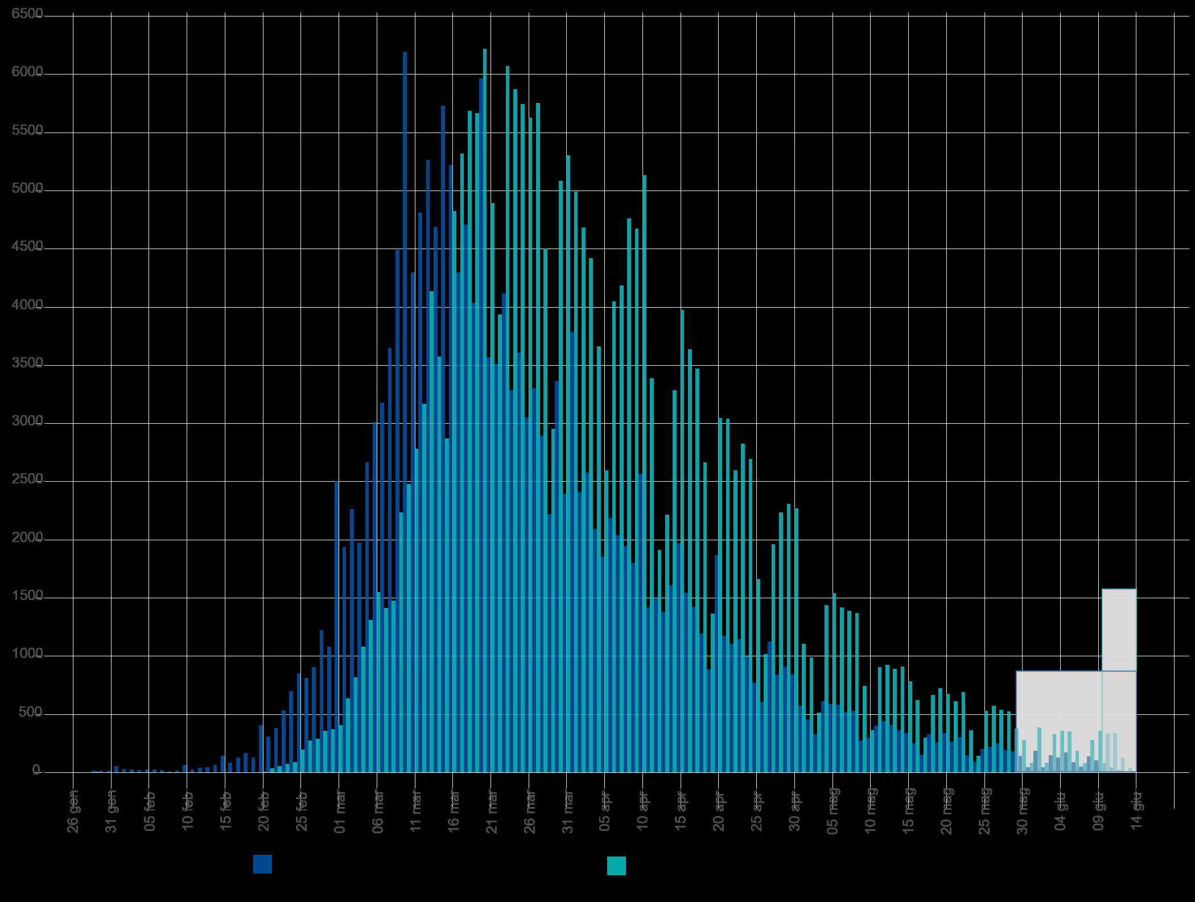
2020-01-04 | 4 |  |  | 0 |  |  |  | 0 |  |  |  |  | Blue area sample size | 182116 | excess-->
2020-01-05 | 5 |  |  | 0 |  |  |  | 0 |  |  |  |  | Grey area sample size | 1409
2020-01-06 | 6 |  |  | 0 |  |  |  | 0 |  |  |  |  |  | Day of the year | DD-Mmm
2020-01-07 | 7 |  |  | 0 |  |  |  | 0 |  |  |  |  | Mean of extracted sample* | 86 | 2020-03-26
2020-01-08 | 8 |  |  | 0 |  |  |  | 0 |  |  |  |  | Mean of blue area sample | 85 | 2020-03-25
2020-01-09 | 9 |  |  | 0 |  |  |  | 0 |  |  |  |  | SD of blue area sample | 19
2020-01-10 | 10 |  |  | 0 |  |  |  | 0 |  |  |  |  | (*the standard error of the sample mean (SEM) is negligible)
2020-01-11 | 11 |  |  | 0 |  |  |  | 0 |  |  |  |  | Mode of blue area sample | 70 | 2020-03-10
2020-01-12 | 12 |  |  | 0 |  |  |  | 0 |  |  |  |  | Median of blue area sample** | 80 | 2020-03-20
2020-01-13 | 13 |  |  | 0 |  |  |  | 0 |  |  |  |  | (**approx. ± 1 day)
2020-01-14 | 14 |  |  | 0 |  |  |  | 0
2020-01-15 | 15 |  |  | 0 |  |  |  | 0
2020-01-16 | 16 |  |  | 0 |  |  |  | 0
2020-01-17 | 17 |  |  | 0 |  |  |  | 0
2020-01-18 | 18 |  |  | 0 |  |  |  | 0
2020-01-19 | 19 |  |  | 0 |  |  |  | 0
2020-01-20 | 20 |  |  | 0 |  |  |  | 0
2020-01-21 | 21 |  |  | 0 |  |  |  | 0
2020-01-22 | 22 |  |  | 0 |  |  |  | 0
2020-01-23 | 23 |  |  | 0 |  |  |  | 0
2020-01-24 | 24 |  |  | 0 |  |  |  | 0
2020-01-25 | 25 |  |  | 0 |  |  |  | 0
2020-01-26 | 26 |  |  | 0 |  |  |  | 0
2020-01-27 | 27 |  |  | 0 |  |  |  | 0
2020-01-28 | 28 |  |  | 0 |  |  |  | 0
2020-01-29 | 29 | 17 | 17 | 15 | 15 |  |  | 0 |  | 433 |  | 46809
2020-01-30 | 30 | 17 | 17 | 15 | 30 |  |  | 0 |  | 448 |  | 45153
2020-01-31 | 31 | 17 | 17 | 15 | 45 |  |  | 0 |  | 463 |  | 43526
2020-02-01 | 32 | 56 | 56 | 54 | 99 |  |  | 0 |  | 1726 |  | 151479
2020-02-02 | 33 | 32 | 32 | 30 | 129 |  |  | 0 |  | 988 |  | 80921
2020-02-03 | 34 | 30 | 30 | 28 | 157 |  |  | 0 |  | 950 |  | 72637
2020-02-04 | 35 | 25 | 25 | 23 | 179 |  |  | 0 |  | 802 |  | 57316
2020-02-05 | 36 | 26 | 26 | 24 | 203 |  |  | 0 |  | 861 |  | 57447
2020-02-06 | 37 | 25 | 25 | 23 | 226 |  |  | 0 |  | 848 |  | 52823
2020-02-07 | 38 | 22 | 22 | 20 | 246 |  |  | 0 |  | 757 |  | 44018
2020-02-08 | 39 | 12 | 12 | 10 | 256 |  |  | 0 |  | 387 |  | 21004
2020-02-09 | 40 | 17 | 17 | 15 | 271 |  |  | 0 |  | 597 |  | 30226
2020-02-10 | 41 | 66 | 66 | 64 | 335 |  |  | 0 |  | 2621 |  | 123762
Accumulative # of cases by symptom onset date from 24-jan to 15-jun 2020. Source: ISS*. (*manual extraction from source graph)
 | Accumulative # of cases (rounded) | Accumulative # of cases (rounded) - provisional
2020-01-25
2020-01-26
2020-01-27
2020-01-28
2020-01-29 | 15
2020-01-30 | 30
2020-01-31 | 45
2020-02-01 | 99
2020-02-02 | 129
2020-02-03 | 157
2020-02-04 | 179
2020-02-05 | 203
2020-02-06 | 226
2020-02-07 | 246
2020-02-08 | 256
2020-02-09 | 271
2020-02-10 | 335
2020-02-11 | 360
2020-02-12 | 402
2020-02-13 | 446
2020-02-14 | 510
2020-02-15 | 652
2020-02-16 | 735
2020-02-17 | 862
2020-02-18 | 1028
2020-02-19 | 1155
2020-02-20 | 1561
2020-02-21 | 1869
2020-02-22 | 2250
2020-02-23 | 2783
2020-02-24 | 3482
2020-02-25 | 4332
2020-02-26 | 5143
2020-02-27 | 6047
2020-02-28 | 7269
2020-02-29 | 8349
2020-03-01 | 10846
2020-03-02 | 12781
2020-03-03 | 15042
2020-03-04 | 17016
2020-03-05 | 19679
2020-03-06 | 22689
2020-03-07 | 25865
2020-03-08 | 29510
2020-03-09 | 34000
2020-03-10 | 40190
2020-03-11 | 44485
2020-03-12 | 49293
2020-03-13 | 54555
2020-03-14 | 59241
...
https://www.epicentro.iss.it/en/coronavirus/bollettino/Infografica_15giugno%20ENG.pdf
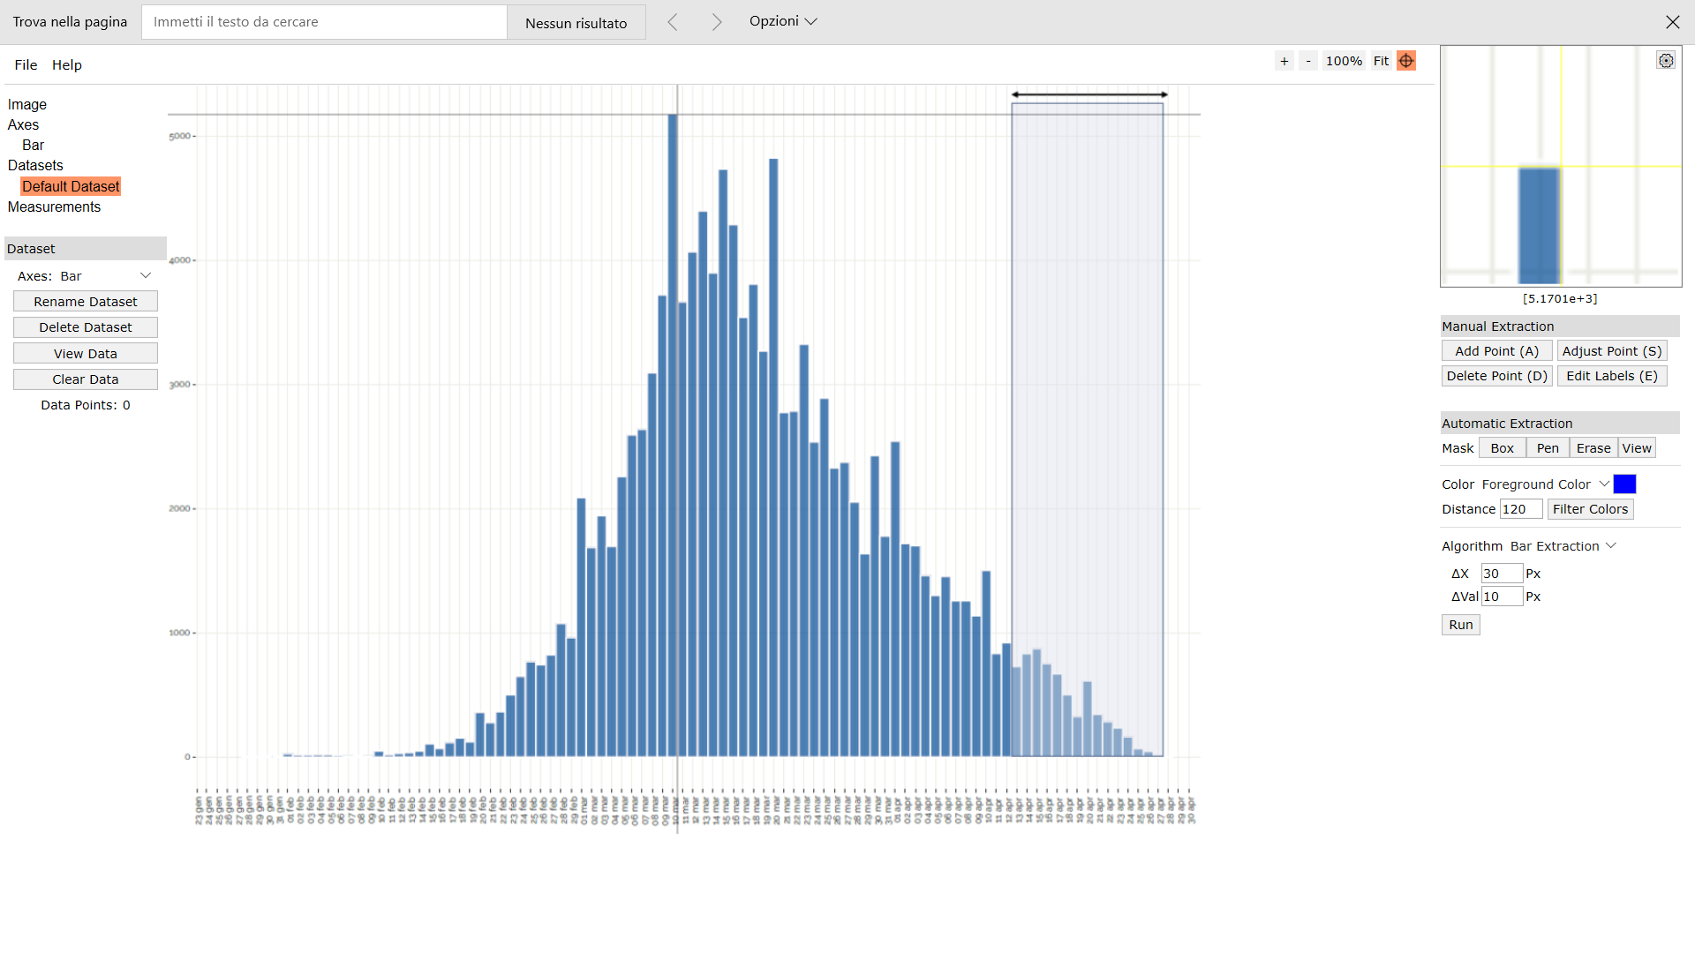
Digitizer example page
2020-02-11 | 42 | 27 | 27 | 25 | 360 |  |  | 0 |  | 1047 |  | 46089
2020-02-12 | 43 | 44 | 44 | 42 | 402 |  |  | 0 |  | 1803 |  | 73958
2020-02-13 | 44 | 46 | 46 | 44 | 446 |  |  | 0 |  | 1933 |  | 73840
2020-02-14 | 45 | 66 | 66 | 64 | 510 |  |  | 0 |  | 2877 |  | 102282
2020-02-15 | 46 | 144 | 144 | 142 | 652 |  |  | 0 |  | 6529 |  | 215870
2020-02-16 | 47 | 85 | 85 | 83 | 735 |  |  | 0 |  | 3898 |  | 119746
2020-02-17 | 48 | 129 | 129 | 127 | 862 |  |  | 0 |  | 6092 |  | 173762
2020-02-18 | 49 | 169 | 169 | 167 | 1028 |  |  | 0 |  | 8179 |  | 216337
2020-02-19 | 50 | 129 | 129 | 127 | 1155 |  |  | 0 |  | 6346 |  | 155485
2020-02-20 | 51 | 408 | 408 | 406 | 1561 |  |  | 0 |  | 20702 |  | 469251
2020-02-21 | 52 | 310 | 310 | 308 | 1869 |  |  | 0 |  | 16012 |  | 335332
2020-02-22 | 53 | 383 | 383 | 381 | 2250 |  |  | 0 |  | 20189 |  | 390069
2020-02-23 | 54 | 535 | 535 | 533 | 2783 |  |  | 0 |  | 28778 |  | 512142
2020-02-24 | 55 | 701 | 701 | 699 | 3482 |  |  | 0 |  | 38441 |  | 629034
2020-02-25 | 56 | 852 | 852 | 850 | 4332 |  |  | 0 |  | 47596 |  | 714788
2020-02-26 | 57 | 813 | 813 | 811 | 5143 |  |  | 0 |  | 46223 |  | 635766
2020-02-27 | 58 | 906 | 906 | 904 | 6047 |  |  | 0 |  | 52428 |  | 658962
2020-02-28 | 59 | 1224 | 1224 | 1222 | 7269 |  |  | 0 |  | 72094 |  | 826022
2020-02-29 | 60 | 1082 | 1082 | 1080 | 8349 |  |  | 0 |  | 64796 |  | 674954
2020-03-01 | 61 | 2499 | 2499 | 2497 | 10846 |  |  | 0 |  | 152313 |  | 1438230
2020-03-02 | 62 | 1937 | 1937 | 1935 | 12781 |  |  | 0 |  | 119965 |  | 1023576
2020-03-03 | 63 | 2264 | 2264 | 2262 | 15042 |  |  | 0 |  | 142501 |  | 1094772
2020-03-04 | 64 | 1976 | 1976 | 1974 | 17016 |  |  | 0 |  | 126331 |  | 870502
2020-03-05 | 65 | 2665 | 2665 | 2663 | 19679 |  |  | 0 |  | 173090 |  | 1065171
2020-03-06 | 66 | 3012 | 3012 | 3010 | 22689 |  |  | 0 |  | 198655 |  | 1086583
2020-03-07 | 67 | 3178 | 3178 | 3176 | 25865 |  |  | 0 |  | 212787 |  | 1029000
2020-03-08 | 68 | 3647 | 3647 | 3645 | 29510 |  |  | 0 |  | 247855 |  | 1053384
2020-03-09 | 69 | 4492 | 4492 | 4490 | 34000 |  |  | 0 |  | 309805 |  | 1149421
2020-03-10 | 70 | 6192 | 6192 | 6190 | 40190 |  |  | 0 |  | 433295 |  | 1392733
2020-03-11 | 71 | 4297 | 4297 | 4295 | 44485 |  |  | 0 |  | 304940 |  | 841806
2020-03-12 | 72 | 4810 | 4810 | 4808 | 49293 |  |  | 0 |  | 346171 |  | 812540
2020-03-13 | 73 | 5264 | 5264 | 5262 | 54555 |  |  | 0 |  | 384121 |  | 757717 |  |  |  |  |  |  |  |  |  |  |  |  |  |  |  | Author: Ankit Rohatgi Title: WebPlotDigitizer Website: https://automeris.io/WebPlotDigitizer Version: 4.2 Date: April, 2019 E-Mail: ankitrohatgi@hotmail.com Location: San Francisco, California, USA
2020-03-14 | 74 | 4688 | 4688 | 4686 | 59241 |  |  | 0 |  | 346759 |  | 566997
2020-03-15 | 75 | 5728 | 5728 | 5726 | 64967 |  |  | 0 |  | 429444 |  | 572593
2020-03-16 | 76 | 5220 | 5220 | 5218 | 70184 |  |  | 0 |  | 396562 |  | 422652
2020-03-17 | 77 | 4297 | 4297 | 4295 | 74479 |  |  | 0 |  | 330709 |  | 274875
2020-03-18 | 78 | 4707 | 4707 | 4705 | 79184 |  |  | 0 |  | 366984 |  | 230541
2020-03-19 | 79 | 4038 | 4038 | 4036 | 83220 |  |  | 0 |  | 318838 |  | 145293
2020-03-20 | 80 | 5963 | 5963 | 5961 | 89181 |  |  | 0 |  | 476874 |  | 149023
2020-03-21 | 81 | 3569 | 3569 | 3567 | 92748 |  |  | 0 |  | 288921 |  | 57071
2020-03-22 | 82 | 3510 | 3510 | 3508 | 96256 |  |  | 0 |  | 287650 |  | 31571
2020-03-23 | 83 | 4116 | 4116 | 4114 | 100370 |  |  | 0 |  | 341456 |  | 16456
2020-03-24 | 84 | 3285 | 3285 | 3283 | 103653 |  |  | 0 |  | 275766 |  | 3283
2020-03-25 | 85 | 3608 | 3608 | 3606 | 107259 |  |  | 0 |  | 306504 |  | 0
2020-03-26 | 86 | 3051 | 3051 | 3049 | 110308 |  |  | 0 |  | 262208 |  | 3049
2020-03-27 | 87 | 3300 | 3300 | 3298 | 113606 |  |  | 0 |  | 286920 |  | 13192
2020-03-28 | 88 | 2895 | 2895 | 2893 | 116499 |  |  | 0 |  | 254578 |  | 26036
2020-03-29 | 89 | 2220 | 2220 | 2218 | 118717 |  |  | 0 |  | 197395 |  | 35487
2020-03-30 | 90 | 3364 | 3364 | 3362 | 122078 |  |  | 0 |  | 302573 |  | 84048
2020-03-31 | 91 | 2396 | 2396 | 2394 | 124472 |  |  | 0 |  | 217847 |  | 86181
2020-04-01 | 92 | 3784 | 3784 | 3782 | 128254 |  |  | 0 |  | 347937 |  | 185314
2020-04-02 | 93 | 2411 | 2411 | 2409 | 130663 |  |  | 0 |  | 224030 |  | 154171
2020-04-03 | 94 | 2577 | 2577 | 2575 | 133238 |  |  | 0 |  | 242043 |  | 208569
2020-04-04 | 95 | 2093 | 2093 | 2091 | 135329 |  |  | 0 |  | 198638 |  | 209093
2020-04-05 | 96 | 1854 | 1854 | 1852 | 137181 |  |  | 0 |  | 177785 |  | 224083
2020-04-06 | 97 | 2186 | 2186 | 2184 | 139365 |  |  | 0 |  | 211841 |  | 314485
2020-04-07 | 98 | 2040 | 2040 | 2038 | 141403 |  |  | 0 |  | 199717 |  | 344410
2020-04-08 | 99 | 1947 | 1947 | 1945 | 143348 |  |  | 0 |  | 192548 |  | 381206
2020-04-09 | 100 | 1800 | 1800 | 1798 | 145146 |  |  | 0 |  | 179793 |  | 404533
2020-04-10 | 101 | 2567 | 2567 | 2565 | 147711 |  |  | 0 |  | 259058 |  | 656621
2020-04-11 | 102 | 1419 | 1419 | 1417 | 149128 |  |  | 0 |  | 144527 |  | 409492
2020-04-12 | 103 | 1492 | 1492 | 1490 | 150617 |  |  | 0 |  | 153462 |  | 482736
2020-04-13 | 104 | 1380 | 1380 | 1378 | 151995 |  |  | 0 |  | 143304 |  | 497431
2020-04-14 | 105 | 1610 | 1610 | 1608 | 153603 |  |  | 0 |  | 168832 |  | 643171
2020-04-15 | 106 | 1971 | 1971 | 1969 | 155572 |  |  | 0 |  | 208706 |  | 868297
2020-04-16 | 107 | 1546 | 1546 | 1544 | 157116 |  |  | 0 |  | 165200 |  | 747260
2020-04-17 | 108 | 1424 | 1424 | 1422 | 158538 |  |  | 0 |  | 153568 |  | 752199
2020-04-18 | 109 | 1194 | 1194 | 1192 | 159730 |  |  | 0 |  | 129920 |  | 686550
2020-04-19 | 110 | 887 | 887 | 885 | 160615 |  |  | 0 |  | 97342 |  | 553079
2020-04-20 | 111 | 1869 | 1869 | 1867 | 162482 |  |  | 0 |  | 207229 |  | 1262042
2020-04-21 | 112 | 1175 | 1175 | 1173 | 163655 |  |  | 0 |  | 131368 |  | 855063
2020-04-22 | 113 | 1107 | 1107 | 1105 | 164760 |  |  | 0 |  | 124857 |  | 866262
2020-04-23 | 114 | 1146 | 1146 | 1144 | 165904 |  |  | 0 |  | 130408 |  | 962042
2020-04-24 | 115 | 999 | 999 | 997 | 166901 |  |  | 0 |  | 114647 |  | 897234
2020-04-25 | 116 | 774 | 774 | 772 | 167673 |  |  | 0 |  | 89543 |  | 741821
2020-04-26 | 117 | 608 | 608 | 606 | 168278 |  |  | 0 |  | 70893 |  | 620469
2020-04-27 | 118 | 1126 | 1126 | 1124 | 169402 |  |  | 0 |  | 132623 |  | 1223956
2020-04-28 | 119 | 843 | 843 | 841 | 170243 |  |  | 0 |  | 100070 |  | 972111
2020-04-29 | 120 | 911 | 911 | 909 | 171152 |  |  | 0 |  | 109071 |  | 1113435
2020-04-30 | 121 | 843 | 843 | 841 | 171993 |  |  | 0 |  | 101752 |  | 1089841
2020-05-01 | 122 | 574 | 574 | 572 | 172565 |  |  | 0 |  | 69775 |  | 782967
2020-05-02 | 123 | 457 | 457 | 455 | 173020 |  |  | 0 |  | 55956 |  | 656914
2020-05-03 | 124 | 330 | 330 | 328 | 173348 |  |  | 0 |  | 40663 |  | 498776
2020-05-04 | 125 | 613 | 613 | 611 | 173959 |  |  | 0 |  | 76366 |  | 977482
2020-05-05 | 126 | 586 | 586 | 584 | 174543 |  |  | 0 |  | 73575 |  | 981580
2020-05-06 | 127 | 584 | 584 | 582 | 175125 |  |  | 0 |  | 73905 |  | 1026518
2020-05-07 | 128 | 520 | 520 | 518 | 175643 |  |  | 0 |  | 66295 |  | 957646
2020-05-08 | 129 | 530 | 530 | 528 | 176171 |  |  | 0 |  | 68103 |  | 1022066
2020-05-09 | 130 | 276 | 276 | 274 | 176444 |  |  | 0 |  | 35610 |  | 554701
2020-05-10 | 131 | 300 | 300 | 298 | 176742 |  |  | 0 |  | 39028 |  | 630412
2020-05-11 | 132 | 403 | 403 | 401 | 177143 |  |  | 0 |  | 52922 |  | 885647
2020-05-12 | 133 | 442 | 442 | 440 | 177583 |  |  | 0 |  | 58510 |  | 1013591
2020-05-13 | 134 | 408 | 408 | 406 | 177989 |  |  | 0 |  | 54394 |  | 974629
2020-05-14 | 135 | 364 | 364 | 362 | 178351 |  |  | 0 |  | 48860 |  | 904816
2020-05-15 | 136 | 339 | 339 | 337 | 178688 |  |  | 0 |  | 45822 |  | 876346
2020-05-16 | 137 | 252 | 252 | 250 | 178938 |  |  | 0 |  | 34240 |  | 675801
2020-05-17 | 138 | 154 | 154 | 152 | 179090 |  |  | 0 |  | 20966 |  | 426761
2020-05-18 | 139 | 330 | 330 | 328 | 179418 |  |  | 0 |  | 45582 |  | 956234
2020-05-19 | 140 | 261 | 261 | 259 | 179677 |  |  | 0 |  | 36250 |  | 783253
2020-05-20 | 141 | 339 | 339 | 337 | 180014 |  |  | 0 |  | 47507 |  | 1056601
2020-05-21 | 142 | 266 | 266 | 264 | 180278 |  |  | 0 |  | 37478 |  | 857497
2020-05-22 | 143 | 305 | 305 | 303 | 180581 |  |  | 0 |  | 43318 |  | 1019045
2020-05-23 | 144 | 149 | 149 | 147 | 180727 |  |  | 0 |  | 21157 |  | 511451
2020-05-24 | 145 | 95 | 95 | 93 | 180820 |  |  | 0 |  | 13474 |  | 334535
2020-05-25 | 146 | 203 | 203 | 201 | 181021 |  |  | 0 |  | 29335 |  | 747647
2020-05-26 | 147 | 222 | 222 | 220 | 181241 |  |  | 0 |  | 32329 |  | 845397
2020-05-27 | 148 | 252 | 252 | 250 | 181491 |  |  | 0 |  | 36989 |  | 991958
2020-05-28 | 149 | 193 | 193 | 191 | 181682 |  |  | 0 |  | 28448 |  | 782035
2020-05-29 | 150 | 183 | 183 | 181 | 181863 |  |  | 0 |  | 27139 |  | 764414
2020-05-30 | 151 |  |  | 0 |  | 144 | 144 | 142 | 182005 |  | 21431
2020-05-31 | 152 |  |  | 0 |  | 46 | 46 | 44 | 182049 |  | 6677
2020-06-01 | 153 |  |  | 0 |  | 188 | 188 | 186 | 182235 |  | 28447
2020-06-02 | 154 |  |  | 0 |  | 46 | 46 | 44 | 182279 |  | 6765
2020-06-03 | 155 |  |  | 0 |  | 149 | 149 | 147 | 182426 |  | 22774
2020-06-04 | 156 |  |  | 0 |  | 129 | 129 | 127 | 182553 |  | 19801
2020-06-05 | 157 |  |  | 0 |  | 173 | 173 | 171 | 182724 |  | 26835
2020-06-06 | 158 |  |  | 0 |  | 90 | 90 | 88 | 182811 |  | 13892
2020-06-07 | 159 |  |  | 0 |  | 51 | 51 | 49 | 182860 |  | 7779
2020-06-08 | 160 |  |  | 0 |  | 139 | 139 | 137 | 182997 |  | 21908
2020-06-09 | 161 |  |  | 0 |  | 105 | 105 | 103 | 183100 |  | 16571
2020-06-10 | 162 |  |  | 0 |  | 81 | 81 | 79 | 183179 |  | 12786
2020-06-11 | 163 |  |  | 0 |  | 46 | 46 | 44 | 183223 |  | 7160
2020-06-12 | 164 |  |  | 0 |  | 22 | 22 | 20 | 183243 |  | 3268

